Sheet1
ITEM | PRICE | QTY | TOTAL
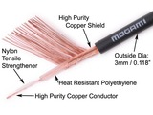 | Mogami W2330 Interconnect Wire | $0.41 | 10 | $4.10
 | Bulk Discount: -$0.18 x 10
 | ($1.80)

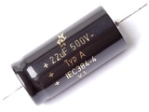 | F&T Germany 22µF / 500V | $3.95 | 3 | $11.85
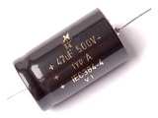 | F&T Germany 47µF / 500V | $7.95 | 1 | $7.95
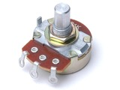 | Alpha 24MM Linear Taper Pot 8MM Bushing | $1.95 | 1 | $1.95
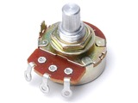 | Alpha 24MM Linear Taper Pot 3/8" Bushing | $1.75 | 1 | $1.75
 | Alpha 24MM Linear Taper Pot 3/8" Bushing | $1.75 | 2 | $3.50
 | Alpha 24MM Linear Taper Pot 3/8" Bushing | $1.75 | 1 | $1.75
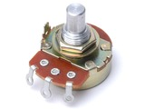 | Alpha 24MM Audio Taper Pot 3/8" Bushing | $1.75 | 4 | $7.00
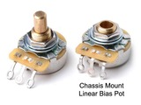 | CTS 24MM Linear Taper Pot 3/8" Bushing | $3.95 | 1 | $3.95
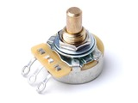 | CTS 24MM Audio Taper Pot 3/8" Bushing | $5.95 | 1 | $5.95
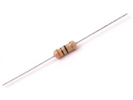 | 1 Watt Carbon Film Resistor | $0.15 | 2 | $0.30
 | 1 Watt Carbon Film Resistor | $0.15 | 2 | $0.30
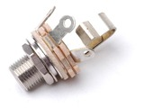 | Switchcraft L12A 1/4" Jack | $2.25 | 4 | $9.00
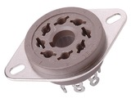 | Belton 8 Pin Octal Chassis Mount Socket | $3.95 | 3 | $11.85
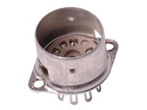 | Belton 9 Pin Miniature Chassis Mount Socket | $2.17 | 10 | $21.70
 | Bulk Discount: -$1.08 x 10
 | ($10.80)

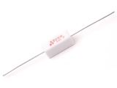 | 5 Watt Power Resistor | $0.45 | 4 | $1.80
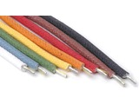 | 18 Ga. Stranded Cloth Wire 600 Volt Rating | $0.61 | 10 | $6.10
 | Bulk Discount: -$0.14 x 10
 | ($1.40)

 | 18 Ga. Stranded Cloth Wire 600 Volt Rating | $0.75 | 5 | $3.75
 | 18 Ga. Stranded Cloth Wire 600 Volt Rating | $0.75 | 5 | $3.75
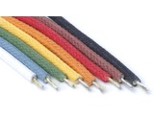 | 20 Ga. Stranded Cloth Wire 600 Volt Rating | $0.65 | 5 | $3.25
 | 20 Ga. Stranded Cloth Wire 600 Volt Rating | $0.65 | 5 | $3.25
 | 20 Ga. Stranded Cloth Wire 600 Volt Rating | $0.65 | 5 | $3.25
 | 20 Ga. Stranded Cloth Wire 600 Volt Rating | $0.54 | 10 | $5.40
 | 20 Ga. Stranded Cloth Wire 600 Volt Rating | $0.65 | 5 | $3.25
 | 20 Ga. Stranded Cloth Wire 600 Volt Rating | $0.65 | 5 | $3.25
 | 18 Ga. Stranded Cloth Wire 600 Volt Rating | $0.75 | 5 | $3.75
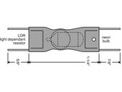 | Opto-coupler / LDR Suitable For Fender® Brand Amplifiers | $7.95 | 1 | $7.95
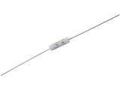 | Mallory 150 Coupling Cap .022µF / 630V | $0.89 | 1 | $0.89
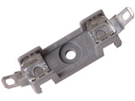 | AGC Fuse Block | $3.95 | 1 | $3.95
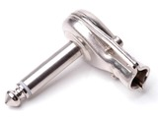 | Switchcraft 228 1/4" Plug | $4.95 | 1 | $4.95
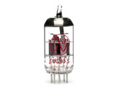 | JJ ECC83s / 12AX7 Preamp Vacuum Tube | $10.95 | 3 | $32.85
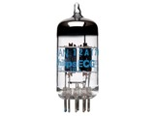 | 12AT7WC JAN Philips | $15.95 | 2 | $31.90
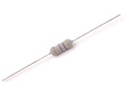 | 2 Watt Metal Oxide Power Resistor | $0.15 | 2 | $0.30
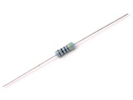 | 1/2 Watt Metal Film Resistors | $0.15 | 2 | $0.30
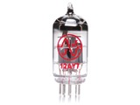 | JJ 12AY7 Preamp Vacuum Tube | $13.95 | 1 | $13.95

